Valkyrie Base Frame BOM 02
Project Valkyrie
Ultra Advanced - High End - High Temp - DIY CoreXY - 3D Printer
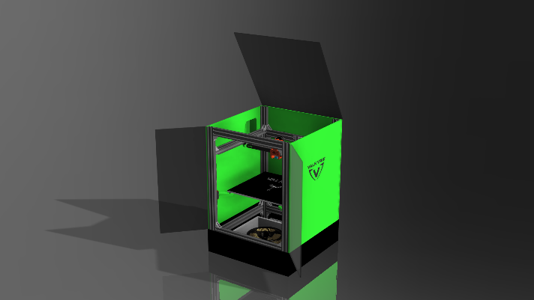
 |  | The Develompment Team
 |  | Mark Bridgewater - NZ
 |  | Chris Lombardi - US
 |  | Roy Berntsen - NO

 | Category | Part name | Description | Cut Length mm | Total mm | BOM Quantity | Order Quantity | Unit Price | Batch Price | DIN | ISO
 | Hardware | 2020 Z Center Back 500 | 2020 Z Center Back 500 | 500 | 500 | 1 | 1
 | Hardware | 2040 X 420 T | 2040 X 420 Tapped | 420 | 1680 | 4 | 4
 | Hardware | 2040 X Top 500 | 2040 X Top Support 500 | 500 | 500 | 1 | 1
 | Hardware | 2040 Y 460 T | 2040 Y 460 Tapped | 460 | 1840 | 4 | 4
 | Hardware | 2040 Z 700 | 2040 Z 700 No Tap | 700 | 2800 | 4 | 4
 | Hardware | Bracket 2020 L | 2020 L Bracket |  |  | 6 | 10 | $0.80 | $8.00
 | Hardware | Bracket 2820 L | 2028 L Bracket |  |  | 32 | 32 | $1.03 | $33.00
 | Fasteners | M5 T-Nut | OpenBuilds Tee Nut |  |  | 76 | 100 | $0.11 | $11.00
 | Fasteners | M5 T-Bolt | Drop In T-Bolt |  |  | 0 | 10 | $0.40 | $4.00
 | Fasteners | M5 Drop in Nut | Drop In T-Nut |  |  | 0 | 10 | $0.30 | $3.00
 | Fasteners | M5 WASHER | Stop Washer |  |  | 76 | 100 | $0.10 | $10.00
 | Fasteners | M5x10 BH | Button Head Screw |  |  | 76 | 100 | $0.21 | $21.00 |  | 7380
 | Fasteners | M5x08 BH | Button Head Screw |  |  | 0 | 20 | $0.20 | $4.00 |  | 7380
 | Cuts | Precision Cuts | Extrusion Cut |  |  | 12 | 12 | $2.00 | $24.00
 | Hardware | 2040 T-Slot 1500 | 2040 Total Length | 1500 | 6820 | 4.55 | 5 | $23.20 | $116.00
 | Hardware | 2020 T-Slot 500 | 2020 Total Length | 500 | 500 | 1 | 1 | $6.00 | $6.00
 | Kit | Valkyrie Frame Kit | Price |  |  |  |  |  | $240.00
 | Shipping | Shipping | Add yours |  |  |  |  | $30.00 | $30.00
 | Price | Total Order Price Excl. VAT |  |  |  |  |  |  | $270.00

